Rich vs Poor Countries


Country | GDP per Capita
Norway | 109269.521
Ireland | 105190.686
Switzerland | 94394.5107
Qatar | 88701.469
United States | 76657.2489
Togo | 951.232379
Burkina Faso | 827.330843
Congo, Dem. Rep. | 687.738588
Niger | 609.745148
Mozambique | 578.251664

Histograms
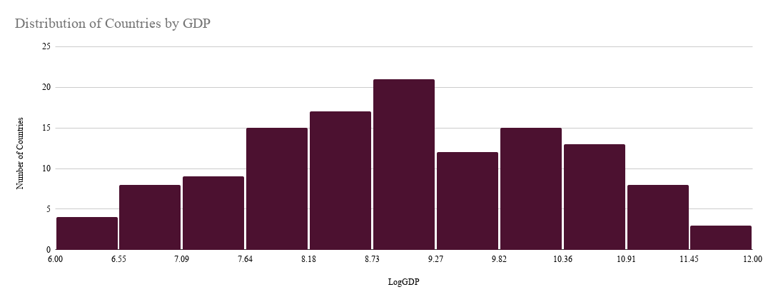

Scatterplots
Trade Openness vs GDP per Capita
 | 82.60947984
11.601572779 | 82.609479836
11.563530039 | 237.75541956
11.455238201 | 138.50069875
11.39303173 | 100.21364085
11.247099451 | 27.313939736
11.124038587 | 131.99582491
11.08474714 | 45.694641881
10.987380687 | 184.10748425
10.937682214 | 67.317621556
10.914172074 | 60.644852674
10.912118434 | 107.11175183
10.86545451 | 123.57957865
10.831820479 | 191.1790313
10.829857676 | 88.785754213
10.828550896 | 94.562534052
10.801608387 | 53.476162766
10.75911583 | 69.198926441
10.621050224 | 75.963007798
10.596178857 | 90.920411697
10.50870279 | 146.97396588
10.481613935 | 72.016502303
10.458016275 | 90.585147528
10.436044645 | 46.812986837
10.411239748 | 205.75354375
10.324515 | 167.14124115
10.319546306 | 78.46573387
10.252745703 | 186.64707627
10.252043017 | 175.68711951
10.249988748 | 144.01149411
10.130056594 | 175.65161215
10.111335512 | 101.36414648
10.052923546 | 105.74500928
9.9672974208 | 204.05631853
9.9468594597 | 108.12184323
9.9436027982 | 61.030795104
9.9144820757 | 159.89277819
9.8464521247 | 123.02133286
9.8236616472 | 125.41087797
9.8216280889 | 185.00020409
9.762995246 | 93.475268817
9.6562827304 | 42.782786429
9.648824425 | 93.949650938
9.6424874362 | 75.201617743
9.5467551069 | 138.84487724
9.5441081978 | 31.580179261
9.5197277311 | 82.227532535
9.4704409686 | 37.440719876
9.371997193 | 146.42460475
9.3418767509 | 88.798485587
9.3285979261 | 68.334314742
...

FDI% GDP vs GDP per Capita
11.601572779 | 2.394464354
11.563530039 | -6.48790794
11.455238201 | -1.4983601
11.39303173 | 0.03228506
11.247099451 | 1.62816817
11.124038587 | 6.904866797
11.08474714 | 4.052152867
10.987380687 | 1.47701806
10.937682214 | 2.317558049
10.914172074 | 4.357259621
10.912118434 | 9.352282288
10.86545451 | 3.022159926
10.831820479 | 2.222431071
10.829857676 | 2.076052462
10.828550896 | 4.666911541
10.801608387 | 3.930401383
10.75911583 | 2.916354352
10.621050224 | 4.018031914
10.596178857 | 0.409943823
10.50870279 | -1.73946798
10.481613935 | 2.941814058
10.458016275 | 1.391864697
10.436044645 | 1.129718408
10.411239748 | 0.172623613
10.324515 | 4.200184563
10.319546306 | 4.656090434
10.252745703 | 3.640108579
10.252043017 | 4.529883728
10.249988748 | 3.029375173
10.130056594 | 3.405881082
10.111335512 | 5.083689219
10.052923546 | 6.255445282
9.9672974208 | 4.168720059
9.9468594597 | 3.696482934
9.9436027982 | 12.48040634
9.9144820757 | 3.203378918
9.8464521247 | 6.006260966
9.8236616472 | 5.516269743
9.8216280889 | -1.08324492
9.762995246 | 3.225084819
9.6562827304 | -1.73680981
9.648824425 | 3.886473493
9.6424874362 | 6.231850704
9.5467551069 | 5.246615647
9.5441081978 | 2.398460118
9.5197277311 | 5.417531065
9.4704409686 | 1.038413655
9.371997193 | 3.684862155
9.3418767509 | 2.672672863
9.3285979261 | 2.25355435
...
Mobile Subscriptions vs GDP per Capita
11.601572779 | 111.6571962
11.563530039 | 110.6088513
11.455238201 | 123.9712281
11.39303173 | 162.2485397
11.247099451 | 108.7856407
11.124038587 | 126.483541
11.08474714 | 109.4691711
10.987380687 | 115.8205563
10.937682214 | 91.238669
10.914172074 | 151.1379631
10.912118434 | 140.7816645
10.86545451 | 121.1664574
10.831820479 | 101.6803558
10.829857676 | 124.1582643
10.828550896 | 128.0232934
10.801608387 | 115.9841878
10.75911583 | 119.8339995
10.621050224 | 115.9505194
10.596178857 | 168.3501576
10.50870279 | 116.1084393
10.481613935 | 131.6739656
10.458016275 | 148.6836077
10.436044645 | 168.6029437
10.411239748 | 146.7158361
10.324515 | 139.6361429
10.319546306 | 123.3995288
10.252745703 | 126.4591808
10.252043017 | 152.2707729
10.249988748 | 128.105295
10.130056594 | 135.8341507
10.111335512 | 122.801309
10.052923546 | 136.8005716
9.9672974208 | 136.0292896
9.9468594597 | 109.0269561
9.9436027982 | 139.8288013
9.9144820757 | 115.2026275
9.8464521247 | 137.0021481
9.8236616472 | 114.6771957
9.8216280889 | 105.7938483
9.762995246 | 152.0621718
9.6562827304 | 168.4758313
9.648824425 | 121.1419429
9.6424874362 | 135.114281
9.5467551069 | 116.6791633
9.5441081978 | 131.4835563
9.5197277311 | 136.518375
9.4704409686 | 124.195249
9.371997193 | 138.2084411
9.3418767509 | 105.7206241
9.3285979261 | 125.6415835
...

Electricity Consumption vs GDP per Capita
 | Log GDP
23373.47106 | 11.601572779
6107.04039 | 11.563530039
7422.849127 | 11.455238201
19381.08622 | 11.39303173
12968.16281 | 11.247099451
5847.159691 | 11.124038587
9923.431671 | 11.08474714
6352.189952 | 10.987380687
14907.07787 | 10.937682214
6842.793618 | 10.914172074
12418.39732 | 10.912118434
8254.393929 | 10.86545451
7285.913524 | 10.831820479
6316.275712 | 10.829857676
14738.19974 | 10.828550896
8144.715351 | 10.801608387
4316.519733 | 10.75911583
6649.389318 | 10.621050224
16570.56987 | 10.596178857
11197.48776 | 10.50870279
5215.690121 | 10.481613935
11705.63051 | 10.458016275
7800.080606 | 10.436044645
3848.667162 | 10.411239748
23151.54592 | 10.324515
5179.769633 | 10.319546306
6731.291866 | 10.252745703
6464.072833 | 10.252043017
6363.029344 | 10.249988748
4416.170282 | 10.130056594
5085.232097 | 10.111335512
8092.636589 | 10.052923546
4957.700572 | 9.9672974208
4827.782857 | 9.9468594597
3589.888623 | 9.9436027982
3714.516945 | 9.9144820757
4552.82556 | 9.8464521247
4475.520413 | 9.8236616472
4702.930972 | 9.8216280889
2546.370831 | 9.762995246
7184.394305 | 9.6562827304
2717.536529 | 9.648824425
4405.86311 | 9.6424874362
5536.498524 | 9.5467551069
2833.119098 | 9.5441081978
2142.956237 | 9.5197277311
6112.135536 | 9.4704409686
5240.968906 | 9.371997193
2513.810469 | 9.3418767509
5271.527885 | 9.3285979261
...

Bar Graphs
Average GDP per capita vs Trade Groups

Trade Group | Average GDP
Low | 10300.160771
Medium | 17724.385494
High | 23296.673115

